Sheet1
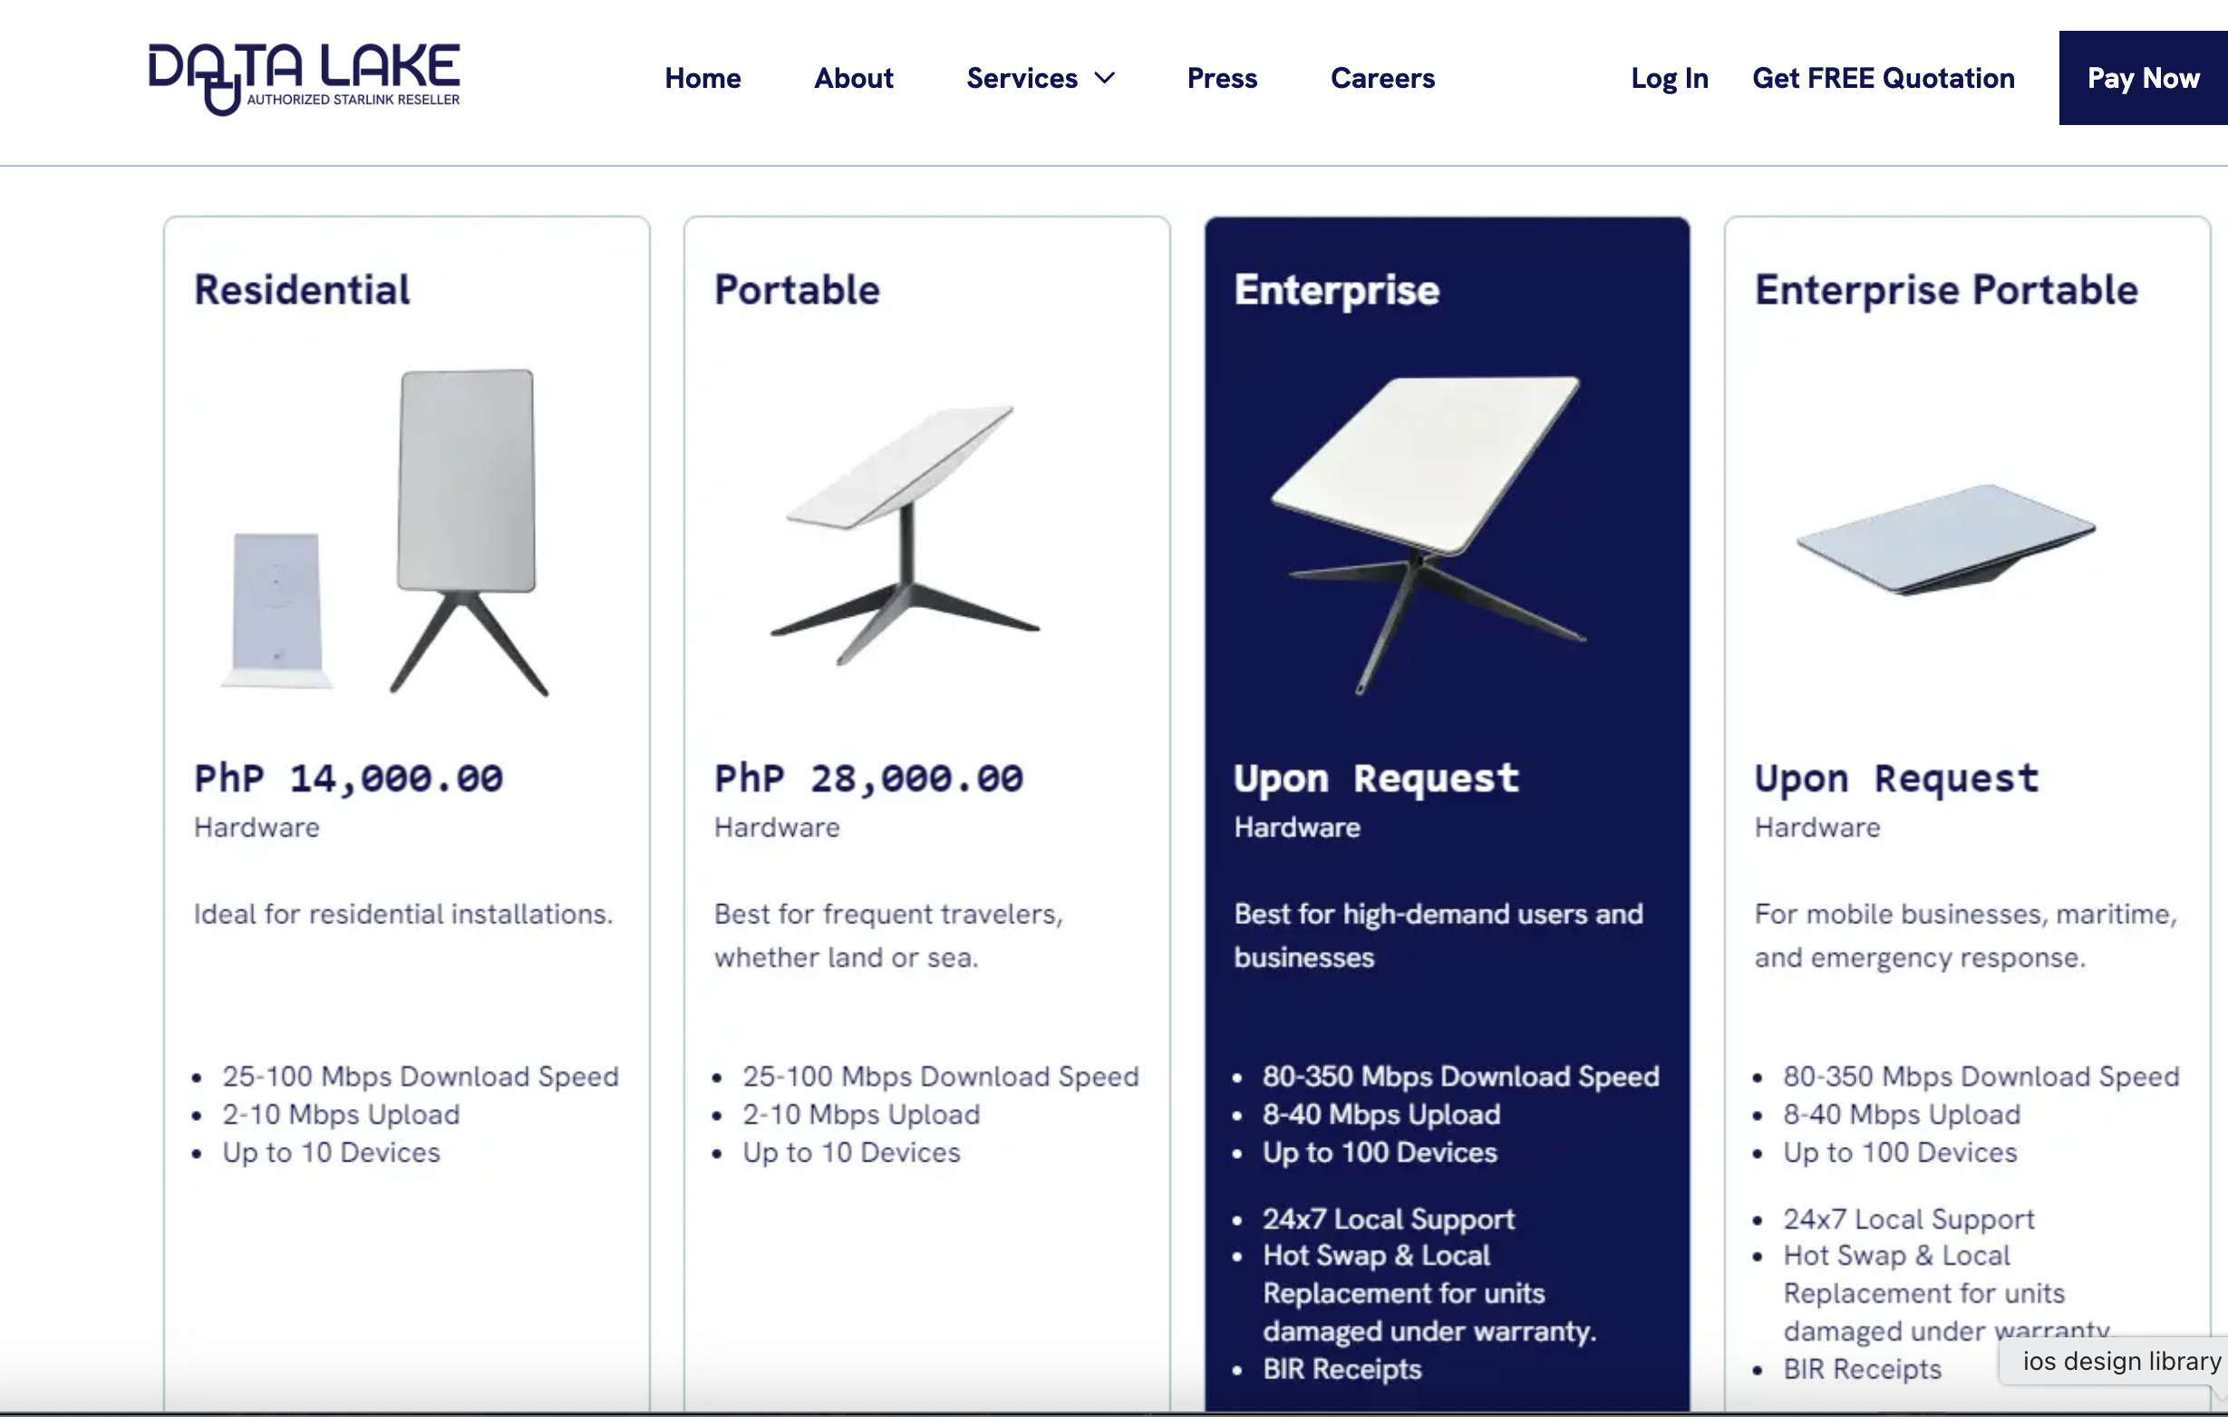
Country | GDP per Capita (USD) | HDI (2023) | Internet Penetration (%) | Internet Censorship | Starlink Availability | Starlink Market Share | GDP per Capita (PPP, 2024) | why?
Brazil | ~$11,178 | 0.76 (2022) | 86.6% | Moderate; platform-specific bans | Operational; expansion approved | 58% of the satellite internet market |  | Large emerging markets with rural connectivity challenges. Useful for understanding pricing models and government collaboration in Latin America.
Mexico | ~$10,159 | 0.758 (2022) | 83.2% | Low; journalists face risks | Fully operational; 150,000+ users | 0.32% in fixed satellite internet sector |  | Large emerging markets with rural connectivity challenges. Useful for understanding pricing models and government collaboration in Latin America.
India | ~$2,880 | 0.685 (2023) | 52.4% | High; frequent shutdowns | Approved; launch imminent | Targeting 5.7 million subscribers by 2030 |  | Regulatory complexity and rural reach — similar to Turkey’s blend of developed urban centers and underserved regions.
Mongolia | ~$4,500 (est.) | 0.739 (2022) | ~68% (2023 est.) | Low; generally open internet | Operational; serving rural areas | Service recently launched; market share data not yet available |  | Sparsely populated, rural-heavy nation. Shows how Starlink performs in geographies with weak infrastructure.
South Africa | ~$7,055 (2023 est.) | 0.713 (2022) | ~72% (2023 est.) | Moderate; some content restrictions | Not operational; regulatory hurdles | Not operational; facing regulatory challenges |  | Critical for lessons learned — shows what can go wrong in markets with censorship, political pressure, or licensing failure.
Azerbaijan | $21,262 (2023) | 0.76 (2022) | 89% (2023) | High | Available
Greece | $45,048 (2025) | 0.893 (2023) | 84% (2023) | Moderate | Available
Bulgaria | $33,112 (2023) | 0.799 (2022) | 83.1% (2023) | Low | Available
Albania | $17,000 (2023 est.) | 0.796 (2022) | 80% (2023 est.) | Moderate | Not yet available
Armenia | $15,000 (2023 est.) | 0.759 (2022) | 75% (2023 est.) | Moderate | Not yet available
Philippines | $14,962 | 0.720 (2023) | 73.6% (January 2024) | Moderate; instances of website blocking and cyberlibel laws | Available since February 2023

 |  |  |  |  |  |  |  |  | filipinler data lake ortaklığı araştırabiliriz

